Sheet1
Product Name | Color | Product Main Image | Qty | Retail Price | Product Link | Product Package Image | Carton Dimension | Pallets
WEWATCH Webcam PCF3 | Black | 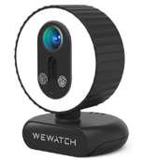 | 1522 | $54.99 | https://www.amazon.com/WEWATCH-PCF3-Microphone-Streaming-Education/dp/B09KHDMWG3/?_encoding=UTF8&ref_=nav_newcust&claim_type=EmailAddress&new_account=1& | 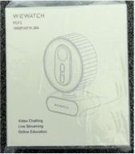 |  | 3 Pallets
WEWATCH Webcam PCF2 | Black | 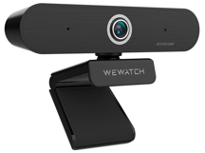 | 1622 | $49.99 | https://www.amazon.com/-/zh_TW/WEWATCH-PCF2-%E8%87%AA%E5%8B%95%E5%B0%8D%E7%84%A6%E7%B6%B2%E8%B7%AF%E6%94%9D%E5%BD%B1%E6%A9%9F-%E9%81%A9%E7%94%A8%E6%96%BC%E5%8D%B3%E6%99%82%E4%B8%B2%E6%B5%81-FaceTime/dp/B09KHCR92R | 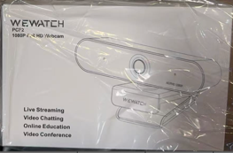
WEWATCH Webcam PCF1 with Microphone & Privacy Cover | Black | 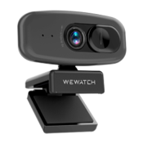 | 1126 | $24.99 | https://www.joyus.com/sales/wewatch-pcf1-1080p-webcam-with-microphone-and-privacy-cover | 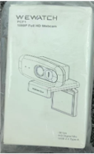

 |  |  | 4270

